Project4649
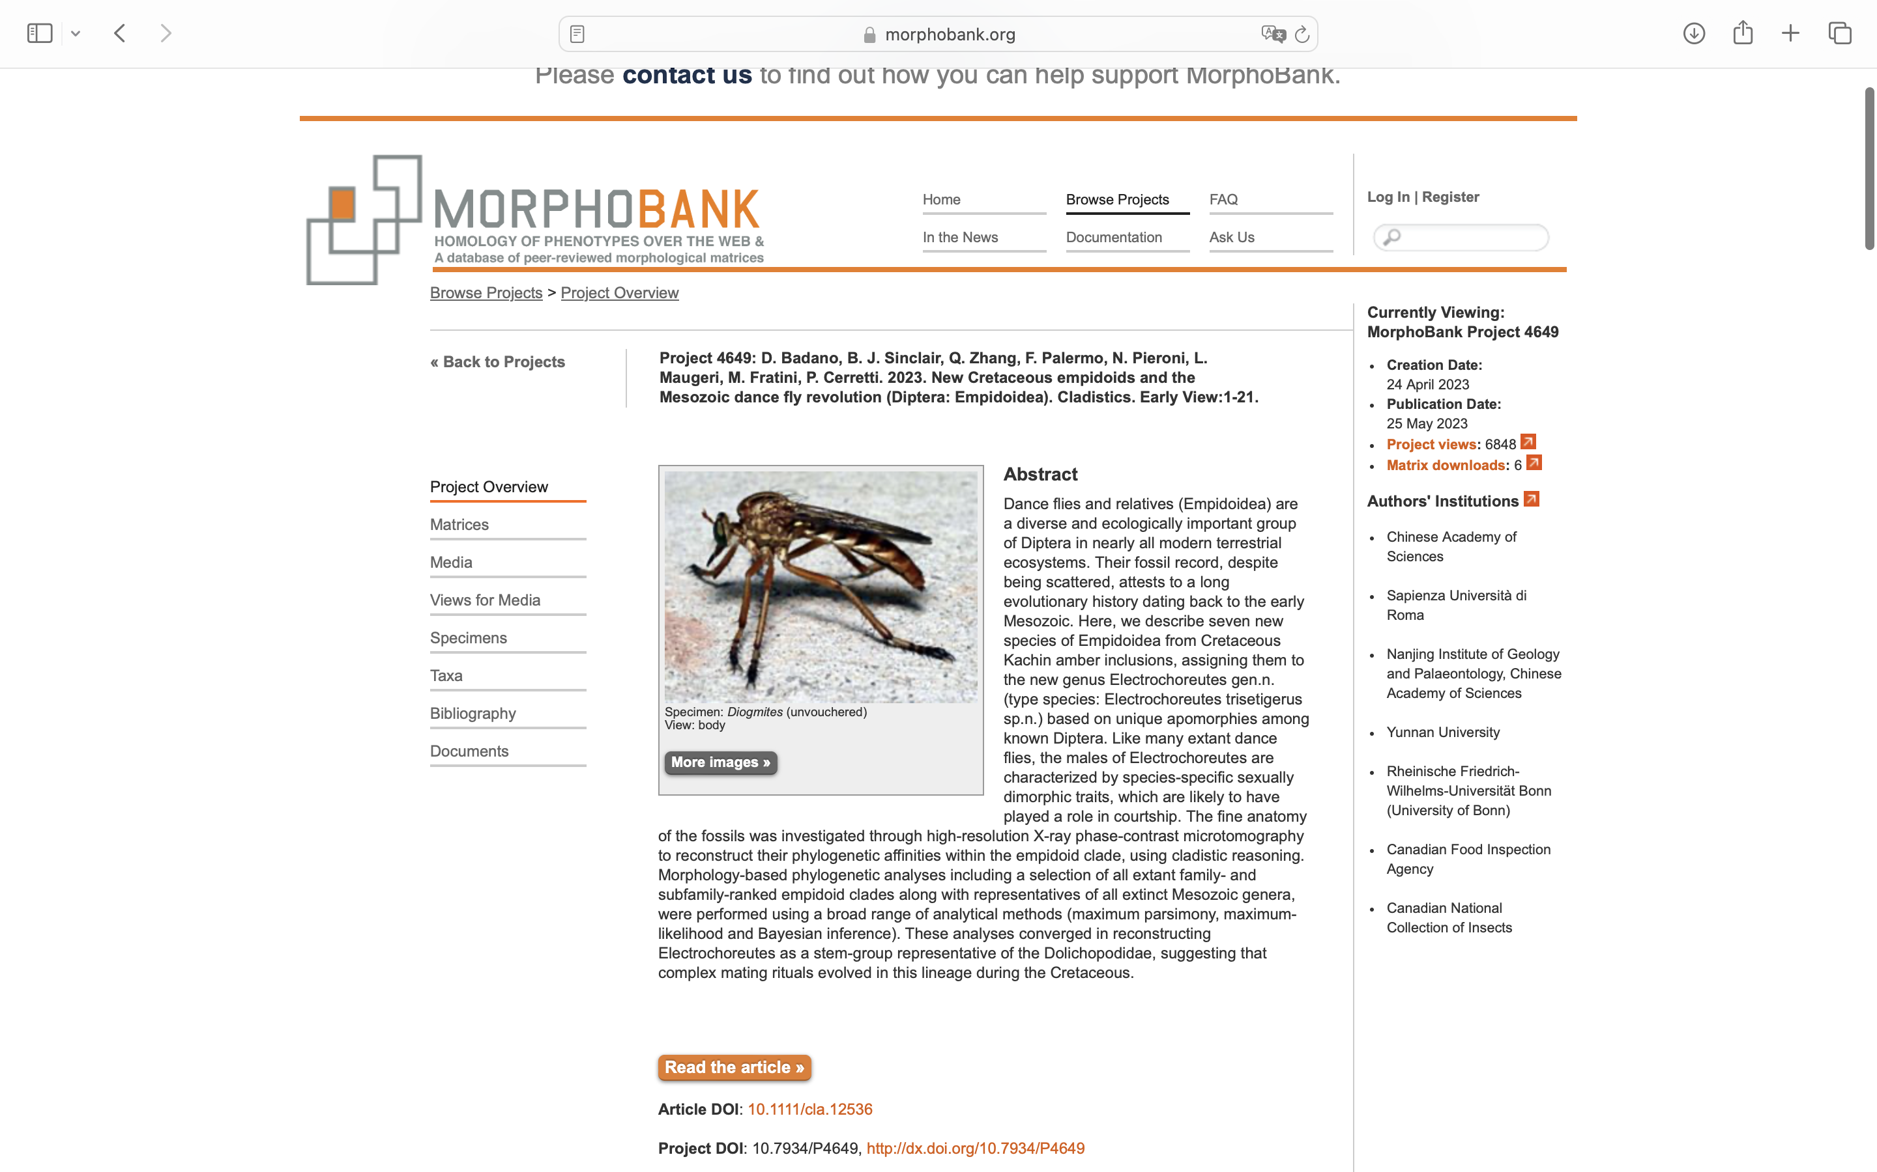
Charlabels | Character Pattern | Unseen States
[1] 'Male eye' | Transformational | YES
[2] 'Eye pubescence' | Neomorphic | NO
[3] 'Female eye' | Transformational | YES
[4] 'eye with inner notch into facets' | Neomorphic | NO
[5] 'Face' | Transformational | YES
[6] 'Scape' | Transformational | YES
[7] 'Scape length' | Transformational | YES
[8] 'Conus' | NT?;0=0-;1=11;2=12
[9] 'Apical mechanoreceptor' | NT?;0=11;1=0-;2=12
[10] 'Segments' | Transformational | NO
[11] 'Style position' | Transformational | YES
[12] 'Arista form' | Transformational | YES
[13] 'Torma fusion' | Transformational | YES
[14] 'Torma' | Transformational | YES
[15] 'Female labrum' | Transformational | YES
[16] 'Apex of labrum' | Transformational | YES
[17] 'Blades' | NT?;0=0-;1=11;2=12;3=13
[18] 'Apex of epipharynx' | Transformational | YES
[19] 'Carina' | NT?;0=0-;1=11;2=12
[20] 'Stipes' | Transformational | NO
[21] 'Lacinia' | Neomorphic | NO
[22] 'Palp segments' | Transformational | YES
[23] 'Palp orientation' | Transformational | YES
[24] 'Palp length' | Transformational | YES
[25] 'Palpifer' | Neomorphic | NO
[26] 'Labellum' | Transformational | YES
[27] 'Pseudotrachea' | Transformational | NO
[28] 'Pseudotr.form' | Transformational | YES
[29] 'Ventrocervical sclerite' | Neomorphic | NO
[30] 'Presternum' | Transformational | YES
[31] 'Prosternum' | Neomorphic | NO
[32] 'Pocket' | Neomorphic | NO
[33] 'Interseg. ridge' | Neomorphic | NO
[34] 'Metepisternum' | Transformational | YES
[35] 'Lower arm' | Neomorphic | NO
[36] 'Upper arm' | Neomorphic | NO
[37] 'Furca' | Transformational | YES
[38] 'Laterotergite' | Transformational | YES
[39] 'Scutal vestiture' | Neomorphic | NO
[40] 'Acro' | NT?;0=11;1=12;2=0-;3=13
[41] 'Postalar' | Neomorphic | NO
[42] 'Preapical bristle' | Neomorphic | NO
[43] 'Foreleg' | Transformational | YES
[44] 'Foreleg vestiture' | Neomorphic | NO
[45] 'Foreleg gap' | Transformational | YES
[46] 'Fore comb' | Neomorphic | NO
[47] 'Hind comb' | Neomorphic | NO
[48] 'Gland' | Neomorphic | NO
[49] 'Fore basitarsus' | Transformational | YES
[50] 'Wing bristle' | Neomorphic | NO
[51] 'Costa' | Transformational | YES
[52] 'Sc' | Transformational | YES
[53] 'Costal spines' | NT?;0=0-;1=11;2=12;3=13;4=14
[54] 'Stigma' | Neomorphic | NO
[55] 'R1' | Transformational | YES
[56] 'Rs' | Transformational | YES
[57] 'R4+5' | Transformational | NO
[58] 'M1' | Neomorphic | NO
[59] 'M2' | Neomorphic | NO
[60] 'Cell dm' | Neomorphic | NO
[61] 'Cell cup' | NT?;0=11;1=12;2=0-
[62] 'CuA shape' | NT?;0=11;1=12;2=13;3=14;4=0-
[63] 'Basal cells' | Transformational | YES
[64] 'Bm-cu crossvein' | NT2;0=11;1=12;2=0-
[65] 'A1' | NT?;0=11;1=12;2=0-
[66] 'Anal lobe' | NT?;0=11;1=12;2=0-
[67] 'Alula' | NT?;0=11;1=12;2=0-
[68] 'Plaques' | Neomorphic | NO
[69] 'Apical female segments' | Transformational | YES
[70] 'T7 female' | Transformational | NO
[71] 'T7 male' | Transformational | YES
[72] 'T8 male' | NT?;0=11;1=12;2=0-;3=13
[73] 'Pregenital male' | Transformational | YES
[74] 'Rectal papillae' | Neomorphic | NO
[75] 'Spiracles' | Transformational | YES
[76] 'Spermathecae' | Transformational | YES
[77] 'Sperma.pigmentation' | Neomorphic | NO
[78] 'Sperma.form' | Transformational | YES
[79] 'T8 apodeme' | Neomorphic | NO
[80] 'T8 form' | Transformational | YES
[81] '8th segment' | Transformational | NO
[82] 'T9' | Neomorphic | NO
[83] 'Acantho.spines' | Transformational | YES
[84] '10th segment' | Transformational | YES
[85] 'T10' | NT?;0=11;1=12;2=0-;3=13
[86] 'Cercus form' | NT?;0=11;1=12;2=0-
[87] 'Cercus vestiture' | Transformational | YES
[88] 'Cercus orientation' | Transformational | YES
[89] 'Hypopyg. symmetry' | Transformational | NO
[90] 'Rotation' | Transformational | YES
[91] 'Hypd form' | Transformational | YES
[92] 'Hypd+epand' | Transformational | NO
[93] 'Hypd+phallus' | Transformational | NO
[94] 'Hypd+gcx' | Transformational | NO
[95] 'Gcx apodeme' | Neomorphic | NO
[96] 'Gcx apod length' | Transformational | YES
[97] 'Phallapodeme' | NT?;0=0-;1=11;2=12
[98] 'Ventral apodeme' | NT?;0=0-;1=11;2=12
[99] 'Gst' | Neomorphic | NO
[100] 'Pgt' | NT?;0=0-;1=11;2=12;3=13;4=14
[101] 'Pgt fusion' | Neomorphic | NO
[102] 'Lat. ejac. proc.' | NT?;0=11;1=0-;2=12
[103] 'Ej. apod.' | NT?;0=11;1=12;2=13;3=14;4=15;5=0-
[104] 'Phallic shape' | Transformational | YES
[105] 'Phallus' | Transformational | YES
[106] 'Epand' | Transformational | YES
[107] 'Foramen' | Neomorphic | NO
[108] 'Subepand. scl' | Neomorphic | NO
[109] 'Bac. scl' | NT?;0=0-;1=11;2=12
[110] 'Surstylus' | Neomorphic | NO
[111] 'Sur position' | Transformational | YES
[112] 'Proctiger' | Transformational | YES
[113] 'Cerc. articulation' | Transformational | YES
[114] 'Cerc. sclerotization' | Transformational | YES
[115] 'Cerc. position' | Transformational | YES
[116] 'mandible' | Transformational | YES
[117] 'maxilla' | Neomorphic | NO
[118] 'cephaloskeleton' | Neomorphic | NO
[119] 'atrium' | Neomorphic | NO
[120] 'pharyngeal ridges' | Neomorphic | NO
[121] 'hypopharynx' | Transformational | YES
[122] 'puparium' | Neomorphic | NO
[123] 'pupal resp. organ' | Transformational | NO
[124] 'Rs - 2' | Transformational | NO
[125] 'cell r-m' | Transformational | NO
[126] 'Veins R and M' | Transformational | YES
[127] 'vein r-m' | Transformational | YES

